Sheet1
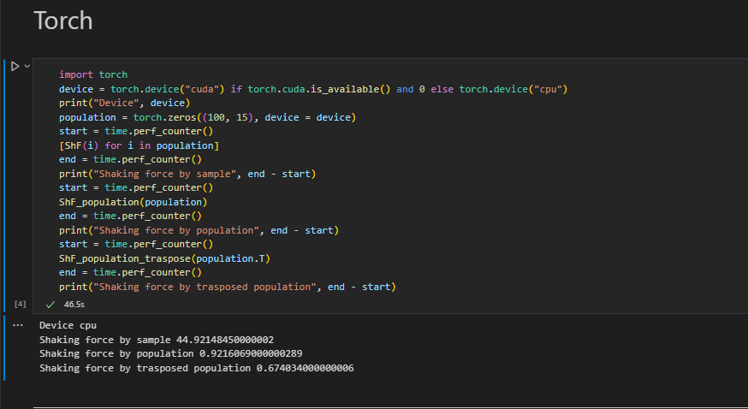
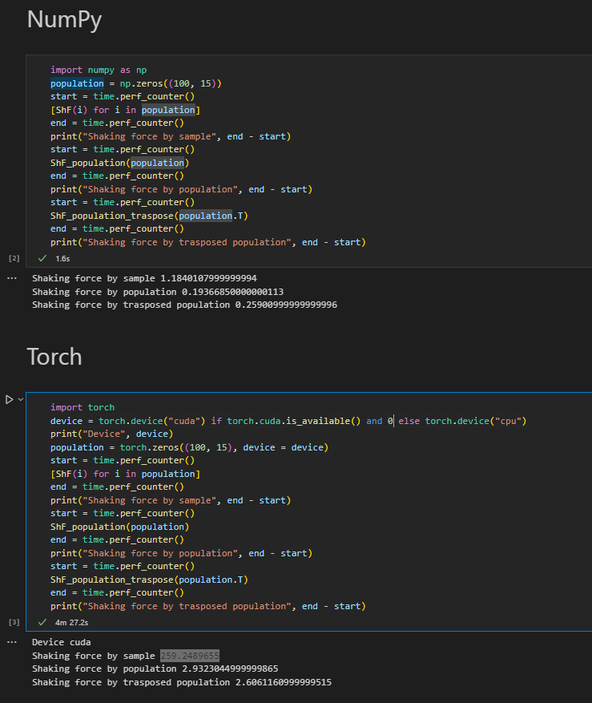
Experiment: Shaking Force evaluation time (s)

Function/Framework | Numpy | Torch CPU | Torch GPU
Evaluating sample | 1.184 | 44.921 | 259.249
Evaluating population | 0.194 | 0.921 | 2.932
Evaluating trasposed population | 0.259 | 0.674 | 2.606

 | 100 | Population size
 | 15 | Variables

